Sheet1
English Reading4.25
Content | Key Words | Shoot Screen
Page 235 | scope
 | field
 | necessary
 | assumed
 | notational
 | alternating
 | completely
 | concept
 | several
 | summation
 | results
 | estimate

 | maximum | /ˈmæksɪməm/ |  | maximum
 | permitted | /pəˈmɪtid/ | 可能 | permitted
 | pedestrians | /pɪˈdɛstrɪən/ |  | pedestrian
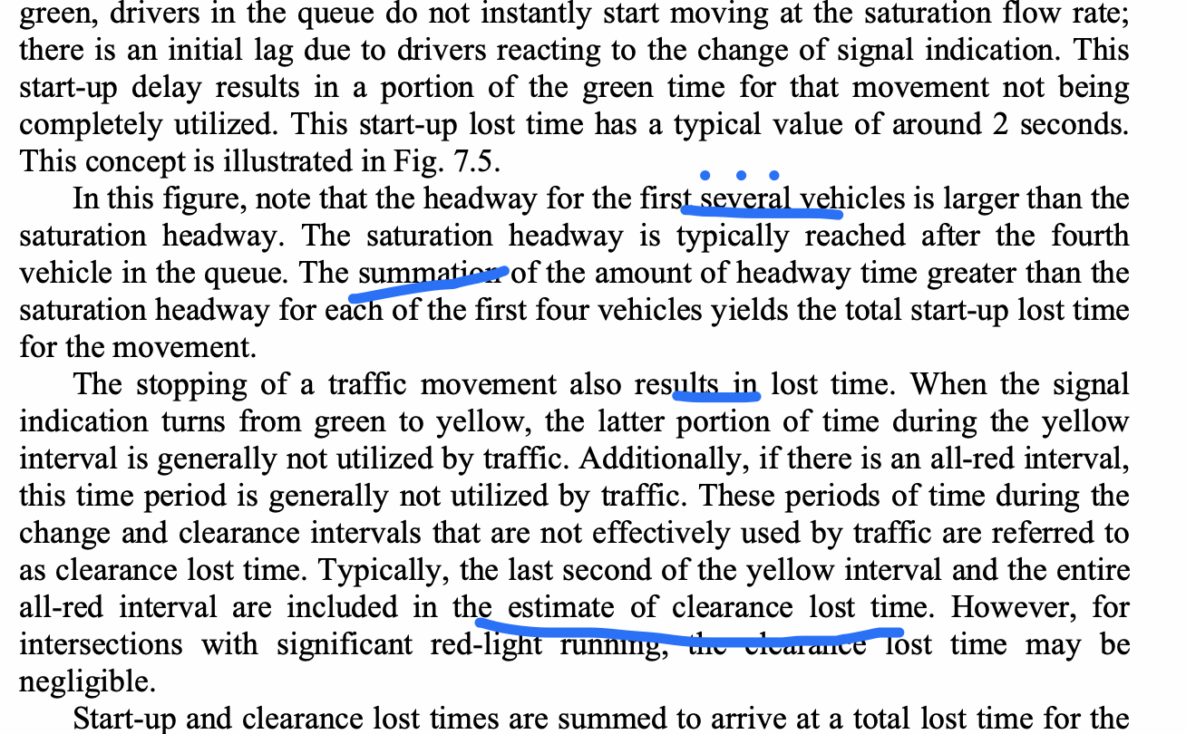
 | saturation | /ˌsætʃəˈreɪʃən/ | 饱和 | saturation
 | convenience | /kənˈviːniəns/ |  | convenience
 | alternating | /'ɔːltəneɪtɪŋ/ | 交替 | alternating
 | continuously | /kənˈtɪnjuəsli/ |  | continuous
 | clearance | /ˈklɪərəns/ |  | clearence
 | vehicle | /ˈviːəkl/ |  | vehicle
 | queue | /kjuː/ |  | queue
 | yields | /jiːldz/ |  | yield
 | indication | /ˌɪndɪˈkeɪʃn/ | 指示 | indication
 | utilized | /ˈjuːtəlaɪzd/ |  | utilized
 | clearance |  |  | clearence
 | referred | /rɪ'fɜːr/ |  | referred
 | significant | /sɪɡˈnɪfɪkənt/ |  | significant

